Steps followed
First step:
The initial data in the folder before execution of the code:
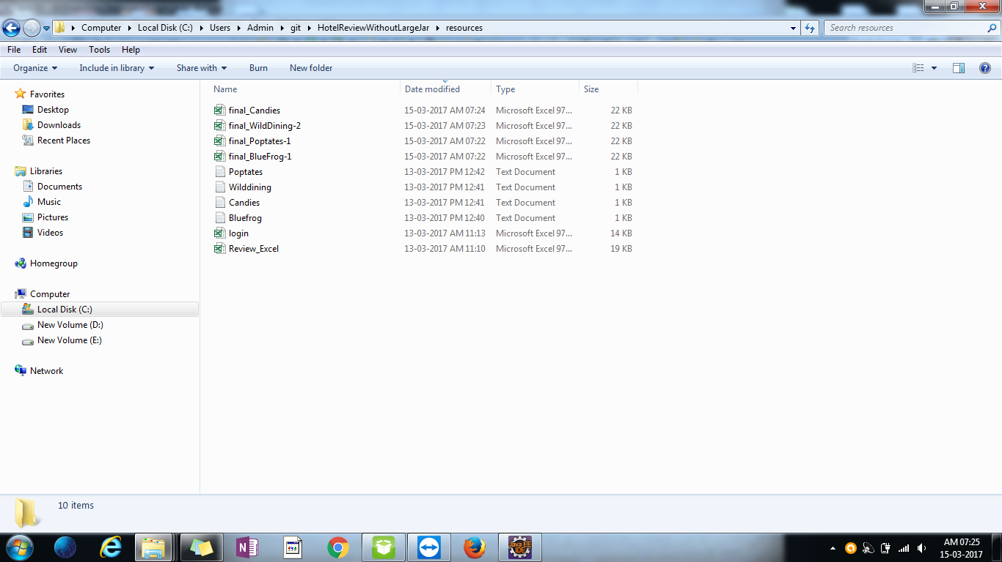

step 2:
Initial Data on sheets include of the review data for each place mentioned.
final_Poptates-1 contains Poptates Review.
final_Bluefrog-1 contains Bluefrog Review.
final_Candies consists of Candies Review.
final_WildDining-2 contains WildDining Review.

step 3:
Run and login to the Application.
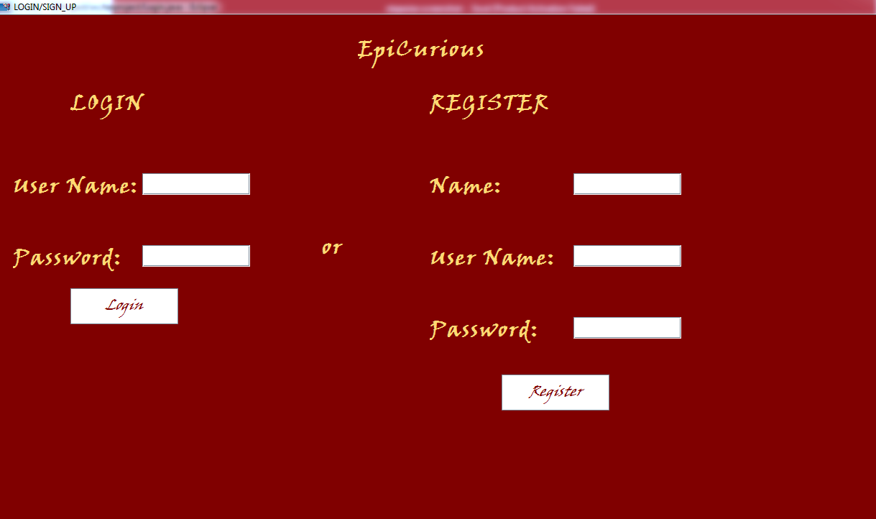

step 4:
Once logged in successfully and selected the restraurant for review, click on the view result button on the screen.

step 5:
The two new files for the same Restraurant will be created in the project resources folder
Each with the name of it at the end. (Attached in the mail)
e.g. Poptates
This files are then used to separate the data and convert the same into graph - work in progress.

